Sheet1
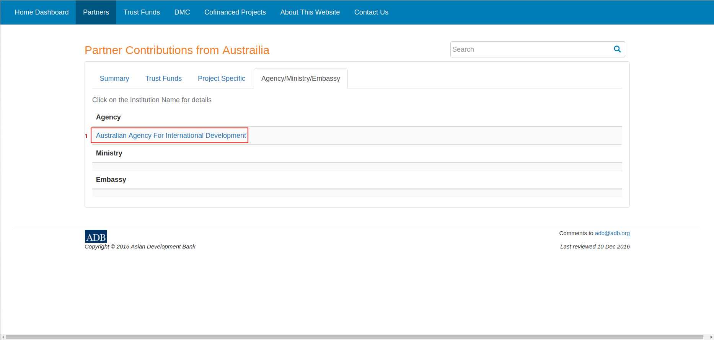
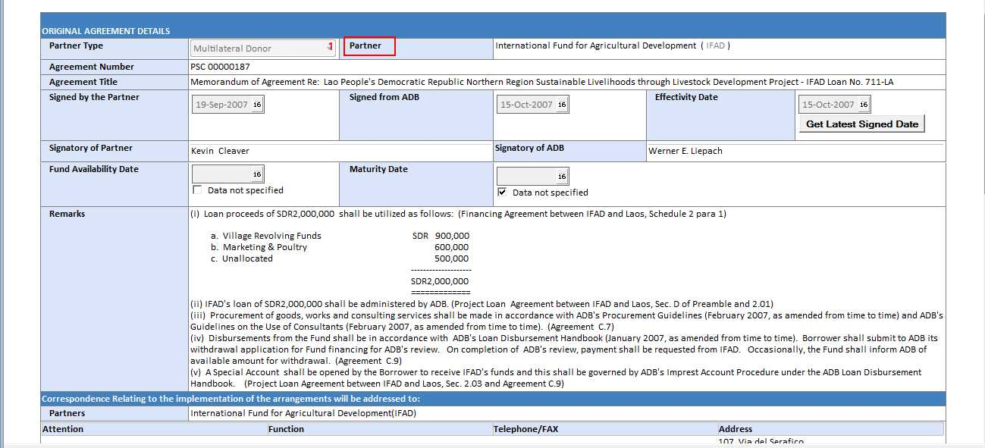
Web Field | CoMs Encoding Field
Institution Name | Original Agreement – Partner

